Employee Vacation Tracker
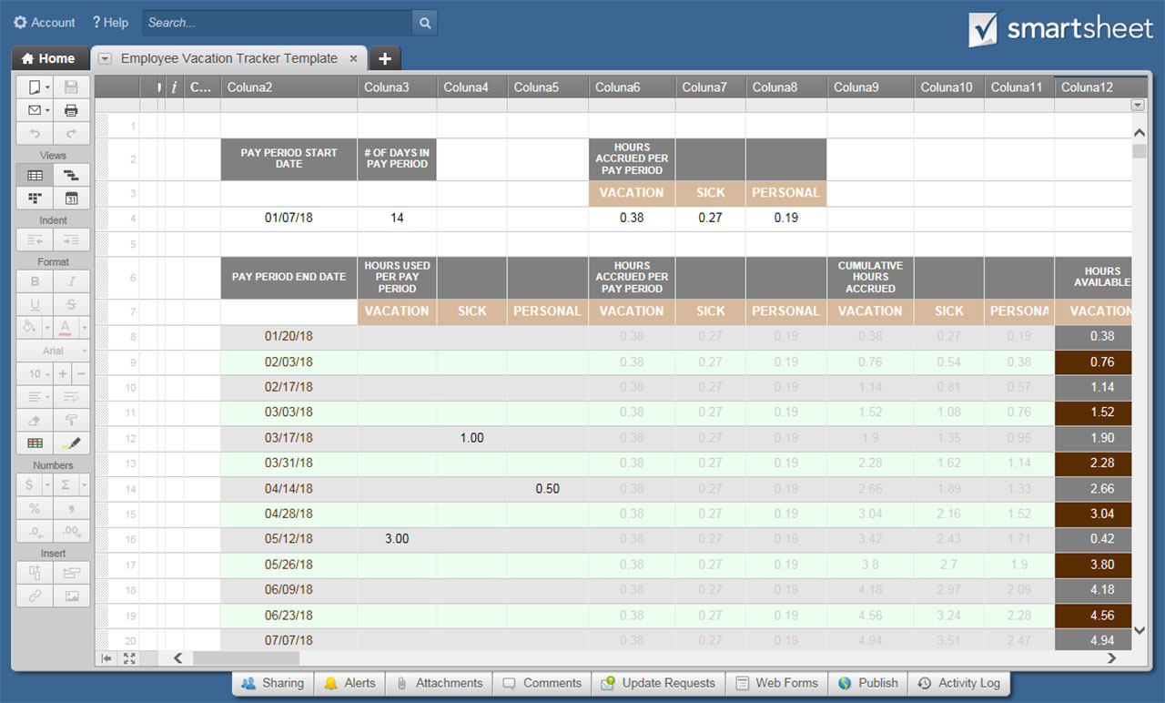
EMPLOYEE VACATION TRACKER TEMPLATE
COMPANY NAME |  |  |  |  |  |  | EMPLOYEE NAME

PAY PERIOD START DATE | # OF DAYS IN PAY PERIOD |  |  | HOURS ACCRUED PER PAY PERIOD
 |  |  |  | VACATION | SICK | PERSONAL
2018-01-07 | 14 |  |  | 0.38 | 0.27 | 0.19

PAY PERIOD END DATE | HOURS USED PER PAY PERIOD |  |  | HOURS ACCRUED PER PAY PERIOD |  |  | CUMULATIVE HOURS ACCRUED |  |  | HOURS AVAILABLE
 | VACATION | SICK | PERSONAL | VACATION | SICK | PERSONAL | VACATION | SICK | PERSONAL | VACATION | SICK | PERSONAL
2018-01-20 |  |  |  | 0.38 | 0.27 | 0.19 | 0.38 | 0.27 | 0.19 | 0.38 | 0.27 | 0.19
2018-02-03 |  |  |  | 0.38 | 0.27 | 0.19 | 0.76 | 0.54 | 0.38 | 0.76 | 0.54 | 0.38
2018-02-17 |  |  |  | 0.38 | 0.27 | 0.19 | 1.14 | 0.81 | 0.57 | 1.14 | 0.81 | 0.57
2018-03-03 |  |  |  | 0.38 | 0.27 | 0.19 | 1.52 | 1.08 | 0.76 | 1.52 | 1.08 | 0.76
2018-03-17 |  | 1.00 |  | 0.38 | 0.27 | 0.19 | 1.9 | 1.35 | 0.95 | 1.90 | 0.35 | 0.95
2018-03-31 |  |  |  | 0.38 | 0.27 | 0.19 | 2.28 | 1.62 | 1.14 | 2.28 | 1.62 | 1.14
2018-04-14 |  |  | 0.50 | 0.38 | 0.27 | 0.19 | 2.66 | 1.89 | 1.33 | 2.66 | 1.89 | 0.83
2018-04-28 |  |  |  | 0.38 | 0.27 | 0.19 | 3.04 | 2.16 | 1.52 | 3.04 | 2.16 | 1.52
2018-05-12 | 3.00 |  |  | 0.38 | 0.27 | 0.19 | 3.42 | 2.43 | 1.71 | 0.42 | 2.43 | 1.71
2018-05-26 |  |  |  | 0.38 | 0.27 | 0.19 | 3.8 | 2.7 | 1.9 | 3.80 | 2.70 | 1.90
2018-06-09 |  |  |  | 0.38 | 0.27 | 0.19 | 4.18 | 2.97 | 2.09 | 4.18 | 2.97 | 2.09
2018-06-23 |  |  |  | 0.38 | 0.27 | 0.19 | 4.56 | 3.24 | 2.28 | 4.56 | 3.24 | 2.28
2018-07-07 |  |  |  | 0.38 | 0.27 | 0.19 | 4.94 | 3.51 | 2.47 | 4.94 | 3.51 | 2.47
2018-07-21 |  |  |  | 0.38 | 0.27 | 0.19 | 5.32 | 3.78 | 2.66 | 5.32 | 3.78 | 2.66
2018-08-04 |  |  |  | 0.38 | 0.27 | 0.19 | 5.7 | 4.05 | 2.85 | 5.70 | 4.05 | 2.85
2018-08-18 |  |  |  | 0.38 | 0.27 | 0.19 | 6.08 | 4.32 | 3.04 | 6.08 | 4.32 | 3.04
2018-09-01 |  |  |  | 0.38 | 0.27 | 0.19 | 6.46 | 4.59 | 3.23 | 6.46 | 4.59 | 3.23
2018-09-15 |  |  |  | 0.38 | 0.27 | 0.19 | 6.84 | 4.86 | 3.42 | 6.84 | 4.86 | 3.42
2018-09-29 |  |  |  | 0.38 | 0.27 | 0.19 | 7.22 | 5.13 | 3.61 | 7.22 | 5.13 | 3.61
2018-10-13 |  |  |  | 0.38 | 0.27 | 0.19 | 7.6 | 5.4 | 3.8 | 7.60 | 5.40 | 3.80
2018-10-27 |  |  |  | 0.38 | 0.27 | 0.19 | 7.98 | 5.67 | 3.99 | 7.98 | 5.67 | 3.99
2018-11-10 |  |  |  | 0.38 | 0.27 | 0.19 | 8.36 | 5.94 | 4.18 | 8.36 | 5.94 | 4.18
2018-11-24 |  |  |  | 0.38 | 0.27 | 0.19 | 8.74 | 6.21 | 4.37 | 8.74 | 6.21 | 4.37
2018-12-08 |  |  |  | 0.38 | 0.27 | 0.19 | 9.12 | 6.48 | 4.56 | 9.12 | 6.48 | 4.56
2018-12-22 |  |  |  | 0.38 | 0.27 | 0.19 | 9.5 | 6.75 | 4.75 | 9.50 | 6.75 | 4.75
2019-01-05 |  |  |  | 0.38 | 0.27 | 0.19 | 9.88 | 7.02 | 4.94 | 9.88 | 7.02 | 4.94
2019-01-19 |  |  |  | 0.38 | 0.27 | 0.19 | 10.26 | 7.29 | 5.13 | 10.26 | 7.29 | 5.13
2019-02-02 |  |  |  | 0.38 | 0.27 | 0.19 | 10.64 | 7.56 | 5.32 | 10.64 | 7.56 | 5.32
2019-02-16 |  |  |  | 0.38 | 0.27 | 0.19 | 11.02 | 7.83 | 5.51 | 11.02 | 7.83 | 5.51
2019-03-02 |  |  |  | 0.38 | 0.27 | 0.19 | 11.4 | 8.1 | 5.7 | 11.40 | 8.10 | 5.70
2019-03-16 |  |  |  | 0.38 | 0.27 | 0.19 | 11.78 | 8.37 | 5.89 | 11.78 | 8.37 | 5.89
2019-03-30 |  |  |  | 0.38 | 0.27 | 0.19 | 12.16 | 8.64 | 6.08 | 12.16 | 8.64 | 6.08
2019-04-13 |  |  |  | 0.38 | 0.27 | 0.19 | 12.54 | 8.91 | 6.27 | 12.54 | 8.91 | 6.27
2019-04-27 |  |  |  | 0.38 | 0.27 | 0.19 | 12.92 | 9.18 | 6.46 | 12.92 | 9.18 | 6.46
2019-05-11 |  |  |  | 0.38 | 0.27 | 0.19 | 13.3 | 9.45 | 6.65 | 13.30 | 9.45 | 6.65
2019-05-25 |  |  |  | 0.38 | 0.27 | 0.19 | 13.68 | 9.72 | 6.84 | 13.68 | 9.72 | 6.84
2019-06-08 |  |  |  | 0.38 | 0.27 | 0.19 | 14.06 | 9.99 | 7.03 | 14.06 | 9.99 | 7.03
2019-06-22 |  |  |  | 0.38 | 0.27 | 0.19 | 14.44 | 10.26 | 7.22 | 14.44 | 10.26 | 7.22
2019-07-06 |  |  |  | 0.38 | 0.27 | 0.19 | 14.82 | 10.53 | 7.41 | 14.82 | 10.53 | 7.41
2019-07-20 |  |  |  | 0.38 | 0.27 | 0.19 | 15.2 | 10.8 | 7.6 | 15.20 | 10.80 | 7.60
2019-08-03 |  |  |  | 0.38 | 0.27 | 0.19 | 15.58 | 11.07 | 7.79 | 15.58 | 11.07 | 7.79
2019-08-17 |  |  |  | 0.38 | 0.27 | 0.19 | 15.96 | 11.34 | 7.98 | 15.96 | 11.34 | 7.98
2019-08-31 |  |  |  | 0.38 | 0.27 | 0.19 | 16.34 | 11.61 | 8.17 | 16.34 | 11.61 | 8.17
2019-09-14 |  |  |  | 0.38 | 0.27 | 0.19 | 16.72 | 11.88 | 8.36 | 16.72 | 11.88 | 8.36
2019-09-28 |  |  |  | 0.38 | 0.27 | 0.19 | 17.1 | 12.15 | 8.55 | 17.10 | 12.15 | 8.55
2019-10-12 |  |  |  | 0.38 | 0.27 | 0.19 | 17.48 | 12.42 | 8.74 | 17.48 | 12.42 | 8.74
2019-10-26 |  |  |  | 0.38 | 0.27 | 0.19 | 17.86 | 12.69 | 8.93 | 17.86 | 12.69 | 8.93
2019-11-09 |  |  |  | 0.38 | 0.27 | 0.19 | 18.24 | 12.96 | 9.12 | 18.24 | 12.96 | 9.12
2019-11-23 |  |  |  | 0.38 | 0.27 | 0.19 | 18.62 | 13.23 | 9.31 | 18.62 | 13.23 | 9.31
2019-12-07 |  |  |  | 0.38 | 0.27 | 0.19 | 19 | 13.5 | 9.5 | 19.00 | 13.50 | 9.50
2019-12-21 |  |  |  | 0.38 | 0.27 | 0.19 | 19.38 | 13.77 | 9.69 | 19.38 | 13.77 | 9.69
2020-01-04 |  |  |  | 0.38 | 0.27 | 0.19 | 19.76 | 14.04 | 9.88 | 19.76 | 14.04 | 9.88

CLICK HERE TO CREATE EMPLOYEE VACATION TRACKER TEMPLATES IN SMARTSHEET

