Initial Setup
Days Off Benefits |  |  | Pick Your Holidays | Date Off | Yes/No
Vacation Days | 15 |  | New Year's Day | 1/2/2017 | Yes
Personal/Floating Days | 2 |  | MLK Day | 2017-01-16 | No
Holidays | 8 |  | Lincoln's Birthday | 2017-02-13 | No
Bonus/Make-Up Days | 0 |  | Presidents Day | 2/20/2017 | Yes
 |  |  | Good Friday | 4/14/2017 | No
Vacation Goals |  |  | Easter Monday | 4/17/2017 | No
# of Vacations You Want to Take This Year | 6 |  | Memorial Day | 5/29/2017 | Yes
# of Vacations You Took Last Year | 3 |  | July 4th | 7/4/2017 | Yes
Instructions
Enter the number of vacation days you have this year including rollover days from last year in the Vacation Days cell. Input the number of floating plus personal days you will have in that cell.
Next check off which holidays you have at your place of work by selecting Yes or No. For any holidays not listed already, add them to the bottom of the list and select ‘Yes’ for tracking purposes.
As you earn extra paid days off for any reason, add those to the total of Bonus/Make-Up Days.
Finally, fill in your vacation goals for the year so you can track how well you are doing taking more time off.
 |  |  | Labor Day | 2017-09-04 | Yes
 |  |  | Columbus Day | 2017-10-09 | No
 |  |  | Halloween | 10/31/2017 | No
 |  |  | Election Day | 2017-11-07 | No
 |  |  | Veterans Day | 2017-11-10 | Yes
 |  |  | Thanksgiving Day | 11/23/2017 | Yes
 |  |  | Black Friday | 11/24/2017 | No
 |  |  | Christmas Eve | 12/24/2017 | No
 |  |  | Christmas Day | 12/25/2017 | Yes
 |  |  | ...[add more here]

Online Resources
USA Holiday Calendar for 2016 Vacation Planning
timeanddate.com - Holidays and observances 2017
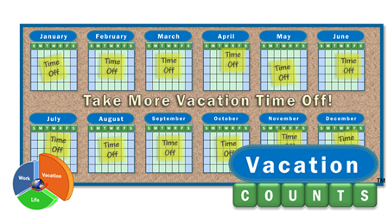
Federal Holidays 2017 - U.S. Office of Personnel Management

Copyright 2015-2017 Meliovation LLC |  | www.VacationCounts.com

Dashboard
Days Off Remaining in 2017
Your Vacation Dashboard
 | Number of Days "On Vacation" in 2017

 | Percent of Days This Year "On Vacation"

Vacation Goals for 2017

 | Your Vacations 2017 World Map

About VacationCounts
The Vacation Days Tracker app was developed by Meliovation LLC - Copyright 2015-2017, All Rights Reserved.
You are granted permission to use this spreadsheet for personal use only to keep track of your vacations and time off.
It may not be copied or redistributed without our permission and you may not remove this About sheet and Copyright notice.
You can use it as a template as many times as you like plus share your spreadsheet with family, friends, and co-workers.
To report bugs and to offer feedback which will help improve this vacation tracking spreadsheet, please visit the product page on VacationCounts.com
http://www.VacationCounts.com/Vacation-Days-Tracker
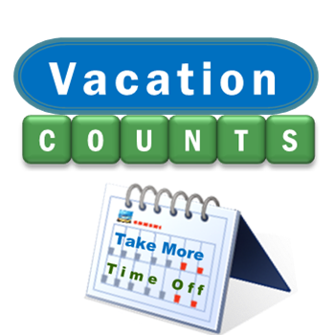
Thank you for supporting VacationCounts and telling people about our blog and resources that help you take more vacation time off and optimize your work-life balance.

Website | http://www.VacationCounts.com
Facebook | http://www.facebook.com/VacationCounts
Twitter | http://twitter.com/VacationCounts

Version | 1.1.0 | 2017
Disclaimer: This template is provided as is. No warranties or guarantees are offered as to accuracy, usability, suitability for purpose, reliability, etc...

