Step 5 Decision MatrixReality C
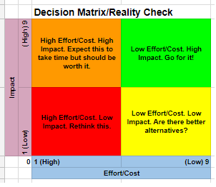
Decision Matrix/Reality Check |  |  |  |  |  |  |  |  |  |  |  |  | Use Case Scores
 |  |  |  |  |  |  |  |  |  |  |  |  | Initiative/ Project | Total Q1, Q5, Q6 (Impact) | Total Q2, Q3, Q4 (Effort/Cost)
Impact | 9 |  |  |  |  |  |  |  |  |  |  |  | ORA1 | #VALUE! | #VALUE!
 |  |  |  |  |  |  |  |  |  |  |  |  | ORA2 | #VALUE! | #VALUE!
 | 8 |  |  |  |  |  |  |  |  |  |  |  | ORA3 | #VALUE! | #VALUE!
 |  |  |  |  |  |  |  |  |  |  |  |  | SRA1 | #VALUE! | #VALUE!
 | 7 |  |  |  |  |  |  |  |  |  |  |  | SRA2 | #VALUE! | #VALUE!
 |  |  |  |  |  |  |  |  |  |  |  |  | AP1 | #VALUE! | #VALUE!
 | 6

 | 5

 | 4

 | 3

 | 2

 | 1

 | 0 |  | 1 | 2 | 3 | 4 | 5 | 6 | 7 | 8 | 9
 |  | Effort/Cost

 |  |  |  |  |  |  |  |  |  |  |  | Instructions
 |  |  |  |  |  |  |  |  |  |  |  | Step 1) (Manually) map your Use Case Scores to the Decision Matrix on the left THEN Step 2) use the chart on the right to evaluate

