Overview - Instructions
Objective: The objective of the Open Source Vested Stakeholder Analysis and Communication Planning Tool is to help you identify and rank stakeholders that can positively or negatively impact your efforts. The tool also allows you to document stakeholder insights and concerns and prompts you to complete a tailored communication plan for key stakeholders that can aid you in getting stakeholder buy-in.

Tip! Identifying and ranking stakeholders and understanding issues and concerns of key stakeholders is critical to ensuring your success. Without stakeholder buy-in you will likely run into roadblocks that could be insurmountable at a later date.

Step 1: Build a Comprehensive List of Stakeholders

A stakeholder is an individual or group with an interest in the success (or failure) of an organization in delivering intended results. Stakeholders have the power to positively or negatively influence your success with getting a Vested Agreement off the ground for your organization.

Use the tab titled "Stakeholder List and Rank" to list the stakeholders that will be impacted by any changes if you move to a Vested Agreement with a potential partner. Stakeholders should be documented in Column A. The tab allows for up to 50 stakeholders; add additional rows as needed.

Make sure you list the not-so-obvious stakeholders that might be indirectly impacted or who may have an interest in your efforts.

Step 2: Assess the Importance and Influence of Stakeholders Building a Comprehensive List of Stakeholders

Once you have identified your stakeholders, continue to use the tab titled "Stakeholder List and Rank" to determine their influence, importance, and if you believe they will have a positive, a negative, or a neutral opinion about adpoting Vested. Do this by completing columns B through D.

Once you have completed columns B - D, use the "Stakeholder Ranking Graph" tab to help you "map" each of your stakeholders. Each cell of the graph has been labelled occordingly. To enter the names, click in each cell and enter the cooresponding names. The below example uses Stakeholders 1, 2, and 3 from above as an example.
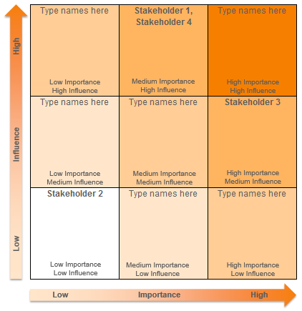

Example in Action: When Dell was considering adopting Vested for their reverse logistics operations, they classified stakeholders as "skeptics" and "believers". They knew that they would need to devise targeted communications strategies to educate the skeptics to get approval for the pilot of Vested.

Step 3: Document Stakeholders Insights, Issues and Concerns

Once stakeholders have been classified and mapped, use the tab titled "Stakeholder Insights - Comm Plan" to document your key stakeholder's insights and concerns.

First start by documenting the names of the key stakeholders you would like to learn more about and get approval and buy-in from (highlighted in yellow below). For most organizations, this will mean doing a deeper dive for all the stakeholders in the "Primary" category and any individuals that are of moderate importance or influence that have a negative opinion and can "derail your train". Documenting negative stakeholders opinions who may not want to see you succeed is important to understand why and how you can mitigate this risk. It will also help you to develop targeted communication plan to help you win them over from adversaries to proponents.

Once you have captured the names / groups of the key stakeholders you will actively seek buy-in from, complete the information in columns B-I (highlighted in yellow below). Doing so will help you gain more insight, including getting a better understanding of any concerns they may have.

Tip! We encourage you set the precedent for open and candid dialogue and recommend you ask stakeholder to "put any elephants in the room". We have included an "Elephant in the Room" PowerPoint slide you can use in your meetings / discussions as part of our Open Source toolkit.

To learn more about putting elephants in the room - read these blog entries.

Tip! In some cases, the stakeholder opinions may be incorrect or not based in fact. It is important to list their perception - because you will have to deal with it as perception is reality for most people. Knowing a stakeholder's perceptions will help you craft a communications plan that will help win these stakeholders over.

Step 4: Develop and Execute a Communication Plan to Get Stakeholder Buy-in

Continue to use the tab titled "Stakeholder Insights - Comm Plan" and complete columns J-M (highlighted in yellow below). Doing so will help you think through a communication plan for these key stakeholders.

Tip! It is one thing to create a communication plan. The key is to follow through with it. We recommend reading Dale Carnegie's best selling book "How to Win Friends and Influence People" if you have any particularly challenging stakeholders you need to win over.

Copyright - Term of Use

This document is provided as part of the Vested "Open Source Material." "Open Source Material" includes the Vested Orientation Course and associated PowerPoint slides, items in the Open Source "Toolkit," and the ability to redistribute any of our white papers and case studies contained in our Vested library, as well as the ability to redistribute The Vested Way eBook.

We encourage you to share some or all of the Vested Open Source Material pending compliance with the following distribution guidelines and terms of use:

• Please do not alter any Open Source Material in terms of the template, background, colors, or the Vested images used.
• If you use Open Source Material in your own document, you must provide the following attribution: "Source: Used with permission. Vested® www.vestedway.com. Vested, Inc."
• Always write the word "Vested" with an uppercase "V."
• Please use the word "Vested" throughout any presentation, except where you are referring to the outsourcing industry, in which case the words "Vested Outsourcing" must be used.
• Please do not abbreviate "Vested Outsourcing" as "VO."
• Please do not commercially sell, rent, or profit from the use of this Open Source Material unless Vested Outsourcing gives you explicit prior written permission to do so.

The complete terms of use is located at
http://www.vestedway.com/terms-of-use-agreement-open-source-material/

If you would like to use this material for commerical purposes / for profit basis, please contact Kate Vitasek at kvitasek@utk.edu

Stakeholder Ranking Graph
Low Influence High
Low Importance
High Influence
Medium Importance
High Influence
High Importance
High Influence
Low Importance
Medium Influence
Medium Importance
Medium Influence
High Importance
Medium Influence
Low Importance
Low Influence
Medium Importance
Low Influence
High Importance
Low Influence
Type names here | Type names here | Type names here
Type names here | Type names here | Type names here
Type names here | Type names here | Type names here
Low Importance High

