Cover
Business model template
What does a professional business model look like? And how do you get started? This Excel template will get you started. It contains all the necessary components of both a strategic and an operational business model.



Do you prefer using a digital tool? Don't hesitate to start a free trial at Husky!
The free trial starts here!

Did you know...
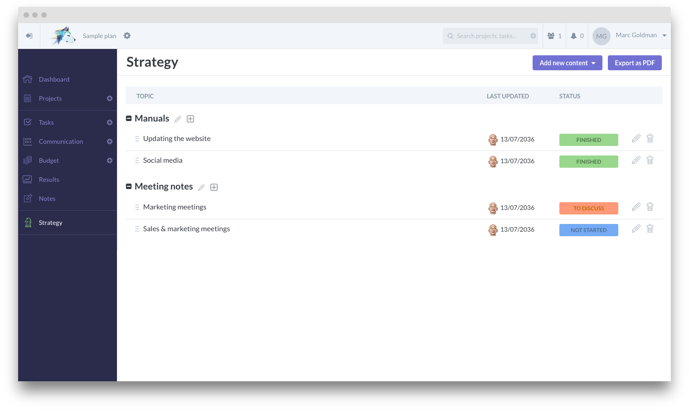
An Excel template is a very static document. To have a dynamic, integrated overview of your marketing planning, using a digital tool is a great start. Below, you can see how the same planning would look like in Husky.
The free trial starts here!
STRATEGY

