Car Maintenance Schedule
Car Maintenance Schedule
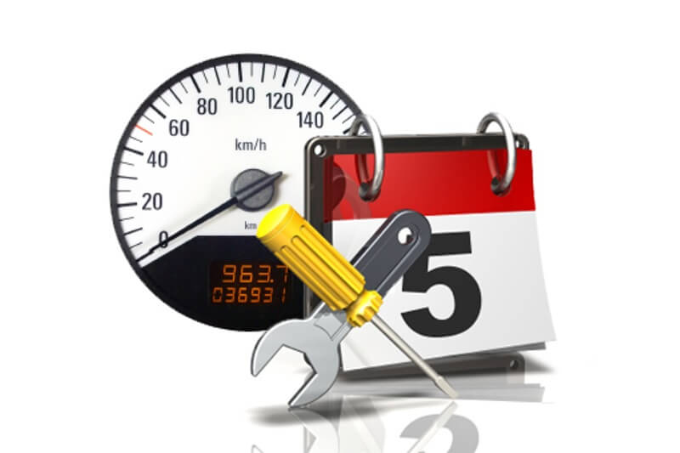
FORD |  |  | RANGER |  |  |  |  |  | NRE 2258 |  |  |  |  |  | mm/dd/yyyy
CAR BRAND |  |  | MODEL |  |  |  |  |  | PLATE NO. |  |  |  |  |  | DATE UPDATED

Service | Interval | Kilometers
 |  | 5 | 10 | 15 | 20 | 25 | 30 | 35 | 40 | 45 | 50 | 55 | 60 | 65 | 70 | 75 | 80 | 85
Lubrication, Oil & Filter | Every 5,000KM or 3 Months | þ | þ | þ | þ | þ | þ | þ | þ | þ | þ | þ | þ | þ | þ | þ | þ | þ
Air Filter - Inspect/Replace | Every 5,000KM or 3 Months | þ | þ | þ | þ | þ | þ | þ | þ | þ | þ | þ | þ | þ | þ | þ | þ | þ
Drive Axle Boots & Seals | Inspect every 5,000KM or 3 Months | þ | þ | þ | þ | þ | þ | þ | þ | þ | þ | þ | þ | þ | þ | þ | þ | þ
PCV Value | Inspect every 10,000KM or 6 months | ¨ | þ | ¨ | þ | ¨ | þ | ¨ | þ | ¨ | þ | ¨ | þ | ¨ | þ | ¨ | þ | ¨
Tire Rotation & Inspection | Every 10,000KM or 6 months | ¨ | þ | ¨ | þ | ¨ | þ | ¨ | þ | ¨ | þ | ¨ | þ | ¨ | þ | ¨ | þ | ¨
Tire Balance | Every 25,000KM or 12 months | ¨ | ¨ | ¨ | ¨ | þ | ¨ | ¨ | ¨ | ¨ | þ | ¨ | ¨ | ¨ | ¨ | þ | ¨ | ¨
Clean & Adjust Rear Brakes | As required, every 10,000KM or 6 months | ¨ | þ | ¨ | þ | ¨ | þ | ¨ | þ | ¨ | þ | ¨ | þ | ¨ | þ | ¨ | þ | ¨
Wiper Blades | Replace every 12 months | ¨ | ¨ | ¨ | ¨ | þ | ¨ | ¨ | ¨ | ¨ | þ | ¨ | ¨ | ¨ | ¨ | þ | ¨ | ¨
Wheel Alignment/Inspection | Every 25,000KM or 12 months | ¨ | ¨ | ¨ | ¨ | þ | ¨ | ¨ | ¨ | ¨ | þ | ¨ | ¨ | ¨ | ¨ | þ | ¨ | ¨
Fuel Filter Replacement | Every 40,000KM or 20 months | ¨ | ¨ | ¨ | ¨ | ¨ | ¨ | ¨ | þ | ¨ | ¨ | ¨ | ¨ | ¨ | ¨ | ¨ | þ | ¨
Transmission Service | Every 30,000KM or 2 years | ¨ | ¨ | ¨ | ¨ | ¨ | þ | ¨ | ¨ | ¨ | ¨ | ¨ | þ | ¨ | ¨ | ¨ | ¨ | ¨
Maintenance Tune-Up | As requried | ¨ | ¨ | ¨ | ¨ | ¨ | ¨ | ¨ | ¨ | ¨ | þ | ¨ | ¨ | ¨ | ¨ | ¨ | ¨ | ¨
Power Steering Fluid Flush | Every 50,000KM or 2 years | ¨ | ¨ | ¨ | ¨ | ¨ | ¨ | ¨ | ¨ | ¨ | þ | ¨ | ¨ | ¨ | ¨ | ¨ | ¨ | ¨
 |  | ¨ | ¨ | ¨ | ¨ | ¨ | ¨ | ¨ | ¨ | ¨ | ¨ | ¨ | ¨ | ¨ | ¨ | ¨ | ¨ | ¨
 |  | ¨ | ¨ | ¨ | ¨ | ¨ | ¨ | ¨ | ¨ | ¨ | ¨ | ¨ | ¨ | ¨ | ¨ | ¨ | ¨ | ¨
 |  | ¨ | ¨ | ¨ | ¨ | ¨ | ¨ | ¨ | ¨ | ¨ | ¨ | ¨ | ¨ | ¨ | ¨ | ¨ | ¨ | ¨

