Fence Quote Template
FENCE QOUTATION

For fences apparently high on value and low on drama

 | FENCE FREESTYLERS | QUOTE | WORK | WORK
 | 100 Border Street | DATE | START DATE | END DATE
 | Suite 12a | 05/05/2022 | 05/30/2022 | 06/05/2022
 | Gaston, NY 20016 | QUOTE | VALID | PAYMENT
 | (555) 000-00000 | NUMBER | UNTIL | DUE BY
 | info@fencefreestylerscomp.com | 10002525 | 05/20/2022 | 05/29/2022

CLIENT | MATERIAL | QTY | UNIT PRICE | TOTAL
Client Name | 3x3" Gate posts | 20.00 | $25.00 | $500.00
Company Name | 2x2" Posts for balance | 40.00 | $18.00 | $720.00
000 Street Name | Wall mount brackets | 10.00 | $3.00 | $30.00
Additional Data | Nylon gate hinges | 30.00 | $5.00 | $150.00
Freetown, BS 22255 | Fence panels 20x10" | 20.00 | $105.00 | $2,100.00
(000) 000-00000
Email Address

FENCE DESIGN IMAGE
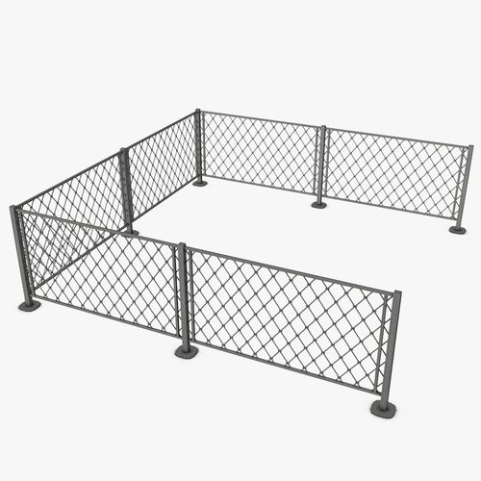
 |  | TOTAL MATERIALS |  | $3,500.00

 | INSTALLATION | HOURS | RATE | TOTAL
 | Installation supervisor | 8.00 | $30.00 | $240.00
 | Main installer | 16.00 | $25.00 | $400.00
 | Assistant | 16.00 | $10.00 | $160.00

 |  | TOTAL INSTALLATION |  | $800.00

DESCRIPTION OF WORK | MISCELLANEOUS CHARGES | HOURS / QTY | RATE / UNIT | TOTAL
Establish the layout and design of fences Dig post holes and mix cement for installation Install the main posts Cut and install fence rails Attach pickets or panels | Construction inspection fee | 1.00 | $350.00 | $350.00

 |  | TOTAL MISCELLANEOUS |  | $350.00

 |  |  | SUBTOTAL | $4,650.00
 | CUSTOMER SIGNATURE |  | DISCOUNT | $1,000.00
 |  | SUBTOTAL LESS DISCOUNT |  | $3,650.00
 |  |  | TAX RATE | 10%
TOTAL AMOUNT |  |  | TOTAL TAX | $365.00
$4,165.00 | AUTHORIZED SIGNATURE | SHIPPING/HANDLING |  | $150.00
 |  |  | OTHER | $0.00
 |  |  | TOTAL | $4,165.00

FOR ASSISTANCE CALL: 1-800-0000-00000
MON-SAT 8:00 AM to 5:00 PM CST

