Construction Company P&L
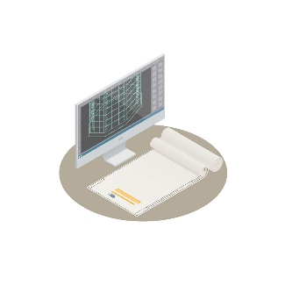 |  | CONSTRUCTION COMPANY PROFIT AND LOSS STATEMENT

 | INCOME

 | Account | Income description |  | Amount
 | 3000251 | Private Construction Contracts and Bids |  | $1,560,020.25
 | 3000252 | Public Works Construction Contracts and Bids |  | $2,555,020.65
 | 3000258 | Service Work and Ongoing Accounts |  | $253,000.00
 | 3000275 | Own Income-Producing Real Estate |  | $250,450.10
 | 3000288 | Own Income-Producing Businesses |  | $55,000.00

 | Total Income |  |  | $4,673,491.00

 | JOB COSTS

 | Account | Job description |  | Amount
 | 4000210 | Direct Labor |  | $502,000.00
 | 4000211 | Direct Labor Burden |  | $201,000.00
 | 4000212 | Materials |  | $820,000.00
 | 4000214 | Subcontractors |  | $356,500.00
 | 4000215 | Equipment Rentals |  | $45,000.00
 | 4000216 | Dump Fees |  | $35,200.00
 | 4000226 | Permits |  | $31,000.00

 | Total Job Costs |  |  | $1,990,700.00

 | EXPENSES

 | Account | Expense description |  | Amount
 | 6000323 | Advertising |  | $502,000.00
 | 6000325 | Business Meals |  | $201,000.00
 | 6000335 | Administrative Wages |  | $820,000.00
 | 6000338 | Overhead Labor Burden |  | $356,500.00
 | 6000342 | Telephone & Mobile Phone |  | $45,000.00
 | 6000343 | Utilities |  | $35,200.00
 | 6000345 | Office Supplies |  | $31,000.00
 | 6000346 | Legal & Accounting |  | $31,000.00
 | 6000347 | Bank Charges |  | $31,000.00
 | 6000348 | Gas, Oil & Repairs |  | $31,000.00
 | 6000350 | Vehicle License, Registration & Insurance |  | $31,000.00

 | Total Expenses |  |  | $2,114,700.00

 |  |  | PROFIT / LOSS:
 |  |  | $568,091.00

