IRS Mileage Log template
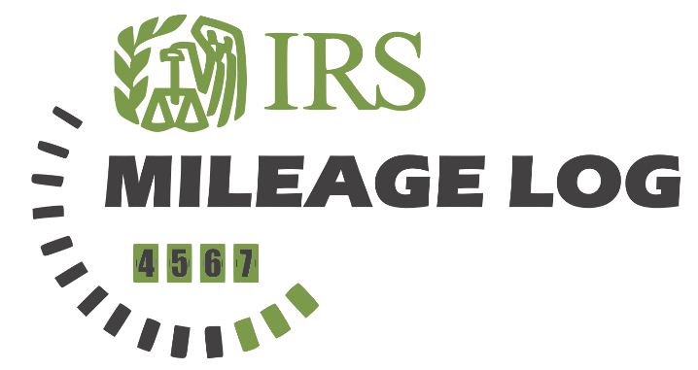
 |  |  |  |  | NAME: John Doe

 |  |  |  |  | COMPANY: MYCOMPANY NAME

 |  |  |  |  | PERIOD: June - November 2022

 |  |  |  |  | IRS MILEAGE RATE: |  |  | $0.56

TRAVEL DATE | START LOCATION | END LOCATION | PURPOSE | MILEAGE START |  | MILEAGE END | TRIP MILEAGE | EXPENSE
2022-06-01 | Portsmouth | London | Site surveillance | 25,000 |  | 25,245 | 245 | $137.20
2022-06-06 | Grimsby | London | Business Lunch | 25,408 |  | 25,658 | 250 | $140.00

Notes: |  |  | Total Miles: |  |  | Total Expense:
Vehicle was out of usage until 01/06/2022 |  |  | 495 |  |  | $277.20

