Vehicle PO Template
VEHICLE PURCHASE ORDER # 200154/2022 |  |  |  |  | 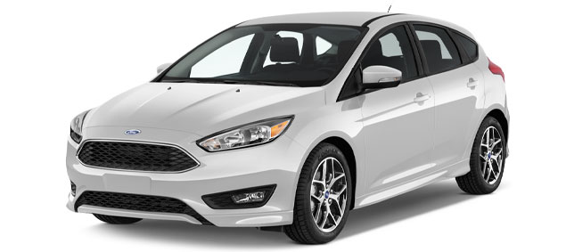

JOHN DOE |  |  |  | COMPANY NAME
Purchaser Name |  |  |  | Car Dealer

201 ARLINGTON ROAD, LANAGSBY, 25989 CA |  |  |  | 180 CAR DEALER BAY, RACCO, 18105 NY
Address |  |  |  | Address

555 - 2500 - 25669 |  |  |  | JOHN SMITH
Phone |  |  |  | Sales Person

VEHICLE INFORMATION

Please enter my order for: |  | New Vehicle |  | Used Vehicle |  |  |  | Demo Vehicle

Make | FORD |  |  |  | Year |  | 2022-02-01

Model | Focus 1.9TDI |  |  |  | Colour |  | Magenta

Mileage | 100,250 |  |  |  | Fuel Type |  | Petrol

Vehicle ID Number | VVXCDS-111TZFCVT-AACFDC256 |  |  |  | Delivery Date |  | 3-Mar-22

VEHICLE PRICE

VEHICLE AND ACCESSORIES |  |  |  |  |  |  | AMOUNT

FORD Focus 1.9TDI, 100 HP, 5 Doors |  |  |  |  |  |  | $26,580.00
Security System |  |  |  |  |  |  | $280.00
Car Cover |  |  |  |  |  |  | $250.00
Parking Sensors |  |  |  |  |  |  | $850.00
Multi Pin Car Charger |  |  |  |  |  |  | $250.00
Blind Spot Mirrors |  |  |  |  |  |  | $400.00

 |  | TOTAL: |  |  |  |  | $28,610.00
 |  | TAX: |  |  |  |  | $2,861.00
 |  | DEALER FEE: |  |  |  |  | $450.00
 |  | TOTAL SALE PRICE: |  |  |  |  | $31,921.00

 |  | TOTAL DOWN PAYMENT: |  |  |  |  | $4,000.00
 |  | BALANCE DUE: |  |  |  |  | $27,921.00

PURCHASER SIGNATURE |  |  | AUTHORIZED PERSON SIGNATURE |  |  | DATE

DOWN PAYMENT METHOD |  |  |  | MANUFACTURER NAME
A vehicle down payment receipt is a written record of the initial payment from a buyer to seller towards the purchase of a vehicle. While this purchase order has information regarding the down payment, the buyer is advised to keep down payment receipt at all times as a proof of payment. |  |  |  | 178 Expensive Avenue
 |  |  |  | Philadelphia, 20100 PH
 |  |  |  | (555) 400-8888-2200
IMPORTANT NOTES |  |  |  | info@carbrandname.com
Where the dealer arranges financing, the dealer may receive a portion of the finance charge from the vehicle manufacturer.

