Fundraising goal chart

F U N D R A I S I N GOAL CHART

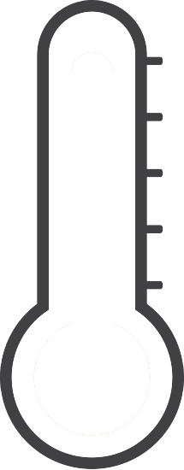

 | Goal: | $10,000 | 100%
 | Achieved: | $8,000 | 80%

